Clans
I am using the clan relationship groups and names and translataions form the 1983 book "Saad Ahaah Sinil: Dual Language: A Navajo-English Dictionary: Revised Edition", edited by Martha Austin and Regina Lynch with revisions by Regina Lynch.
http://maiidinebizaad.weebly.com/uploads/6/8/5/7/6857372/saad_ahaah_sinil.pdf
The clans are on PDF pages 9 & 10, which are pages 3 & 4 in the book.
I use the acronym CRG for Clan Relationship Group. The numbering of the individual clans is my own, using the order in the book.
When refering to a specific clan in the census standardization, both the CRG and clan numbers are combined: e.g. 3.5 is the fifth clan in Clan Relationship Group 3, i.e. Tł'ogí
At this time, I have no idea what the accented and other non-English-standard letters mean in pronunciation.
The ą́ is a-ogonek-acute which is character ID e404. In HTML, it is &#58372; I have had to copy and paste it here, since it is not in the Microsoft Excel or Word symbol sets.
http://www.lapahie.com/Dine_Clans.cfm

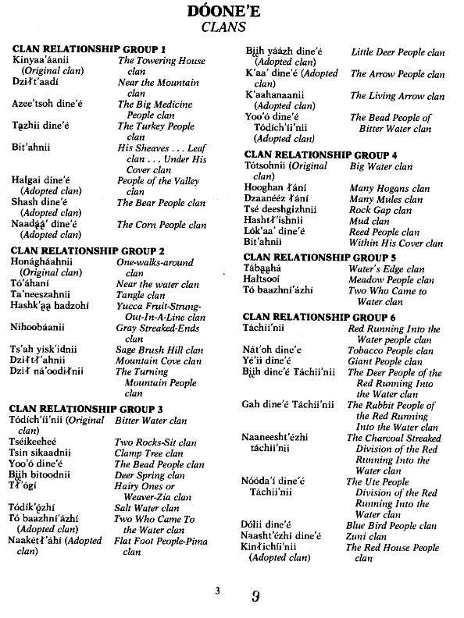
CRG# | C# | Navajo | English | Notes
1 | 1 | Kinyaa'áanii | Towering House | Original Clan
1 | 2 | Dziłt'aadí | Near the Mountain
1 | 3 | Azee'tsoh dine'é | Big Medicine People
1 | 4 | Tązhii dine'é | Turkey People
1 | 5 | Bit'ahnii | His Sheaves … Leaf clan … Under His Cover clan
1 | 6 | Halgai dine'é | Valley People | Adopted Clan
1 | 7 | Shash dine'é | Bear People | Adopted Clan
1 | 8 | Naadą́ą́' dine'é | Corn People | Adopted Clan
2 | 1 | Honágháahnii | One-walks-around | Original Clan
2 | 2 | Tó'áhaní | Near the water
2 | 3 | Ta'neeszahnii | Tangle
2 | 4 | Hashk'ąą hadzohí | Yucca Fruit-Strung-Out-In-A-Line
2 | 5 | Nihoobáanii | Gray Streaked-Ends
2 | 6 | Ts'ah yisk'idnii | Sgae Brusch Hill
2 | 7 | Dziłtł'ahnii | Mountain Cove
2 | 8 | Dził ná'oodiłnii | Turning Mountain People
3 | 1 | Tódích'íi'nii | Bitter Water | Original Clan
3 | 2 | Tséikeeheé | Two Rocks-Sit
3 | 3 | Tsin sikaadnii | Clamp Tree
3 | 4 | Yoo'ó dine'é | Bead People
3 | 5 | Bįįh bitoodnii | Deer Spring
3 | 6 | Tł'ógi | Hairy Ones or Weaver-Zia
3 | 7 | Tódík'ǫ́zhí | Salt Water
3 | 8 | Tó baazhní'ázhí | Two Who Came to the Water | Adopted Clan
3 | 9 | Naakétł'áhí | Flat Foot People-Pima | Adopted Clan
3 | 10 | Bįįh yáázh dine'é | Little Deer People | Adopted Clan
3 | 11 | K'aa' dine'é | Arrow People | Adopted Clan
3 | 12 | K'aahanaanii | Living Arrow | Adopted Clan
3 | 13 | Yoo'ó dine'é Tódích'íi'nii | Bead People of Bitter Water | Adopted Clan
4 | 1 | Tótsohnii | Big Water | Original Clan
4 | 2.1413043478 | Hooghan łání | Many Hogans
4 | 3.2826086957 | Dzaanééz łání | Many Mules
4 | 4.4239130435 | Tsé deeshgizhnii | Rock Gap
4 | 5.5652173913 | Hashtł'ishnii | Mud |  | Wes, I checked the first page;
4 | 6.7065217391 | Lók'aa' dine'é | Reed People |  | No Clan Image 29 - At islsh done is At dilth done (shooter). He shows up in Censuses 1916, 17, 20, 21, and at 1922 has his clans. Toda cheene (bitter water) clan and family as Claish chee (Red Cheek) clan. This is at number 110 and 146 in 1922.
4 | 7.847826087 | Bit'ahnii | Within His Cover |  | A she e is the salt clan.
5 | 1 | Tábąąhá | Water's Edge |  | Da/ha/de/dys/dip Bes/ba/be Lanh/thlanie looks/sounds like Dibe' lani (many sheep). But, there is no clan. There is Dibe' lizhini (black sheep) clan.
5 | 2 | Haltsooí | Meadow People |  | Eea an E is Kin Ya an ni (towering house) clan
5 | 3 | Tó baazhní'ázhí | Two Who Came to Water |  | Ha/ho ha/na/nu Ga tini/line/lini is Hona ghani (he who walks around you) clan.
6 | 1 | Táchii'nii | Red Running Into the Water |  | Roy
6 | 2 | Nát'oh dine'é | Tobacco People
6 | 3 | Yé'ii dine'é | Giant People
6 | 4 | Bįįh dine'é Táchii'nii | Deer People of Red Running Into the Water
6 | 5 | Gah dine'é Táchii'nii | Rabbit People of Red Running Into the Water
6 | 6 | Naanesesht'ézhi Táchii'nii | Charcoal Streaked Division of Red Running into the Water
6 | 7 | Nóóda'í dine'é Táchii'nii | Ute People of Red Running into the Water
6 | 8 | Dólii dine'é | Blue Bird People
6 | 9 | Naasht'ézhi dine'é | Zuni
6 | 10 | Kinłichíinii | Red House People | Adopted Clan
7 | 1 | Tséńjíkiní | Honey Combed Rock People or Cliff Dwellers People
7 | 2 | Dibéłizhini | Black Sheep
7 | 3 | Mą'ii deeshgiizhinii | Coytoe Pass - Jemez Clan
7 | 4 | Kinłitsoni | Yellow House People
7 | 5 | Ashįįhnii | Salt People | Extinct Clan
7 | 6 | Ashįįhí | Salt People
7 | 7 | Dził ná'oodiłnii | Turning Mountain People
8 | 1 | Tó'aheedlíinii | Water Flow Together
8 | 2 | Naakaii dine'é | Mexican
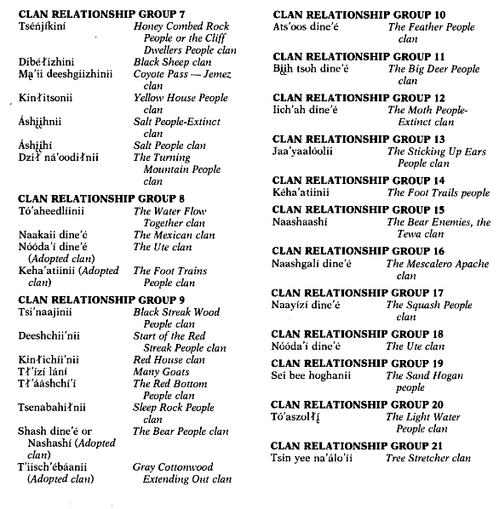
8 | 3
8 | 4
8 | 5
8 | 6
8 | 7
8 | 8
8 | 9
8 | 10
8 | 11
8 | 12
8 | 13
8 | 14
8 | 15
8 | 16
8 | 17
8 | 18
8 | 19

